Overview
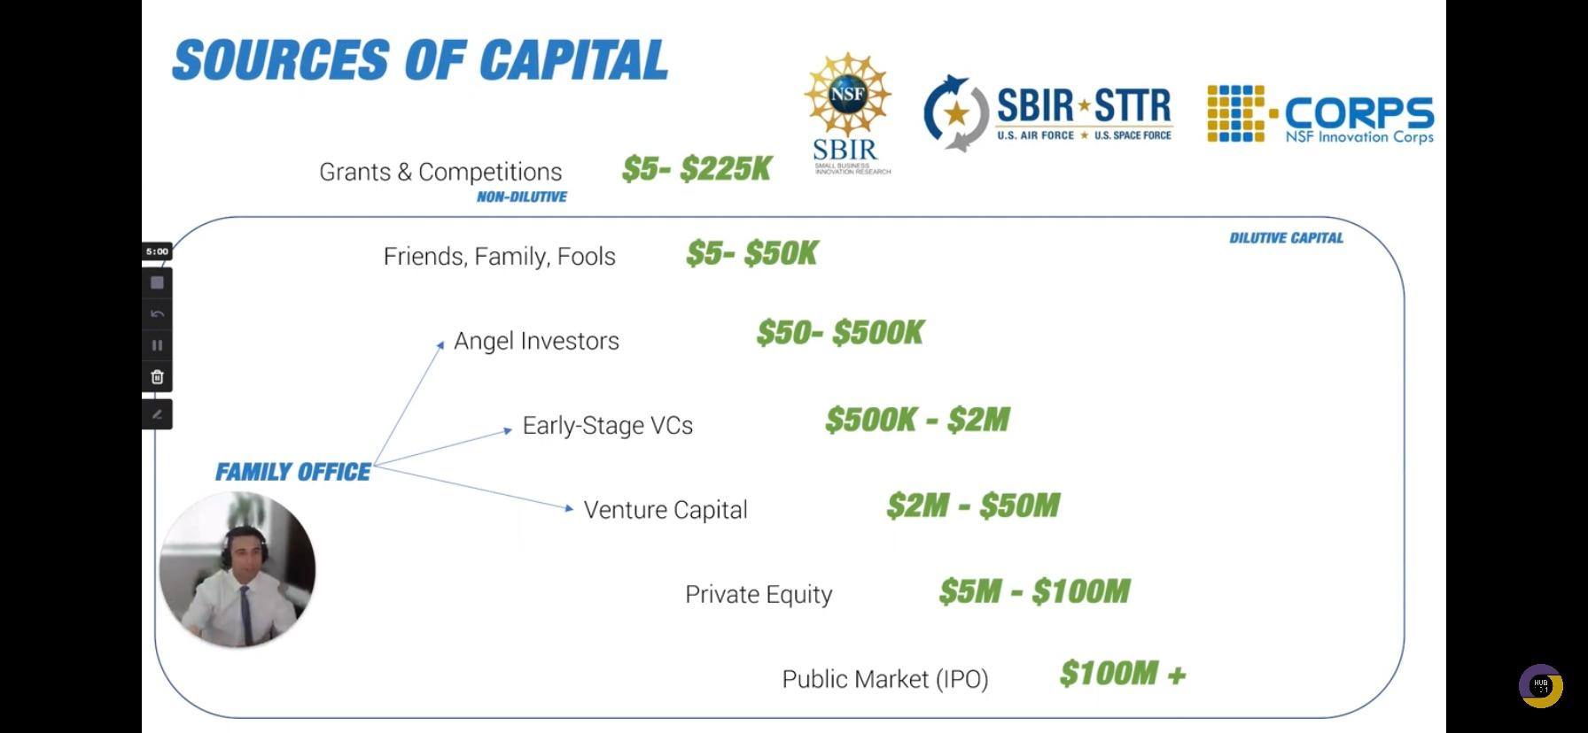

USE Ycombinator online documents for SAFE

VC plan:
Use LinkedIn premium sales navigator
And then a follow up automation(ex growthx.com) to reach out with a message, links, and invitation to add schedule something on ur calendly calendar
Reach out to 500 VCs
Get coffee/zoom with 50
10 do DD
Partner with 1 or 2
Decide whether this is someone I want in my life
Go to pitch events and places where sophisticated investors are
No shame in the networking, take rejection like its nothing
Who cares if they do not reply to your message
No shame in brown nosing with some high net worth individuals
Call everyone and everywhere
Use every source: grants only for poor people? My product disproprotionately helps disadvantaged people grant for health? My product saves lives. Grant for LGBT my product saves gays. Product for cyclists? They don’t die by distracted drivers. Grants for the deaf? They dont get hit by cars
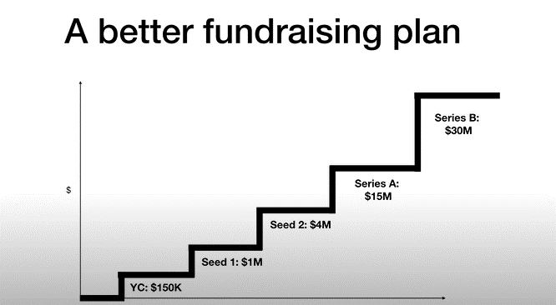

Raise money not before its needed or when critical milestone is hit but when you can get the best valution/terms.

Angels = Rich people that invest almost as a hobby. The best angels in my nitch would be parents who lost their kids in car accidents. Target these folks. I'm building a technology they want to see in the world

